Segments
Динамика продаж по сегментам

Returned
Returns

PersonSales
Региональные менеджеры(сравнение)

Sales&Profit
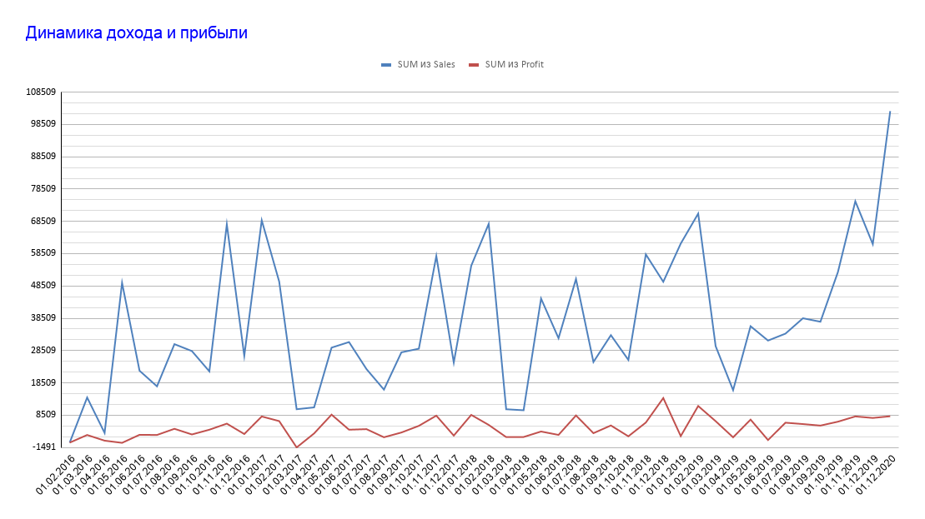

2016-01-01
2016-02-01
2016-03-01
2016-04-01
2016-05-01
2016-06-01
2016-07-01
2016-08-01
2016-09-01
2016-10-01
2016-11-01
2016-12-01
2017-01-01
2017-02-01
2017-03-01
2017-04-01
2017-05-01
2017-06-01
2017-07-01
2017-08-01
2017-09-01
2017-10-01
2017-11-01
2017-12-01
2018-01-01
2018-02-01
2018-03-01
2018-04-01
2018-05-01
2018-06-01
2018-07-01
2018-08-01
2018-09-01
2018-10-01
2018-11-01
2018-12-01
2019-01-01
2019-02-01
2019-03-01
2019-04-01
2019-05-01
2019-06-01
2019-07-01
2019-08-01
2019-09-01
2019-10-01
2019-11-01
2019-12-01
2020-12-01

Dashboard
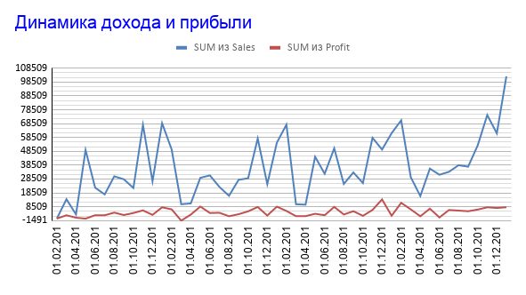
Возвраты товара
Динамика продаж по сегментам

Региональные менеджеры(сравнение)

